Density Altitude
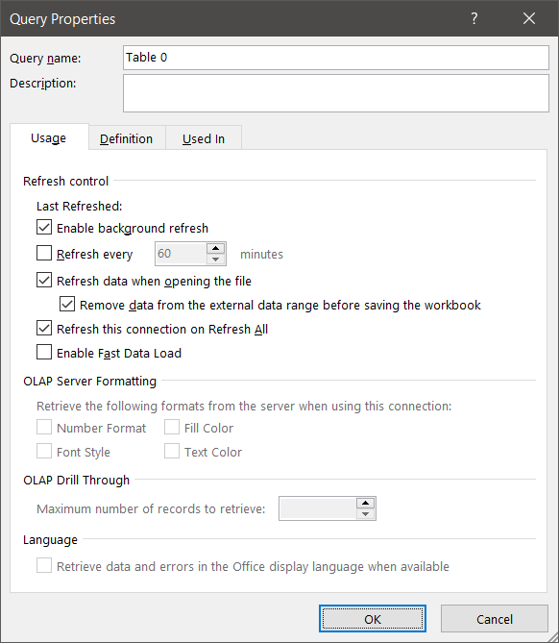
Temperature | 33.9
Dewpoint | 23.3
Pressure | 1014.3
e | 28.548378108
Tv | 310.36198684

Density Altitude | 2496

 |  | Source: | https://aviationweather.gov/metar/data?ids=kiah&format=decoded
 |  | Validation: | https://www.weather.gov/epz/wxcalc_densityaltitude

